Copy of 2022 Measurement
Measurement
Question description | Question | Solution | Score and Description | Sample Responses | Incorrect answer - Student Response | Grade | Year | Block | Type | Difficulty | Percentage | Item Performance
Calculate and compare the areas of two shapes |  |  | Correct: Both parts correct Partial: Part (a) correct only Partial 2: Part (b) correct only Partial 3: Part (b) correct based on an incorrect part (a) | Correct - Student Response 1: (a) 2 square units (b) 1 square unit Correct - Student Response 2: (a) 2 square units (b) 2 - 1 = 1 Square Unit These correct responses show a correct area of 2 square units for square CDEF for part (a) and a correct difference between the areas of squares CDEF and ABCG of 1 square unit for part (b). Partial 1 - Student Response 1: (a) 2 square unit (b) CDGF is 1 squarevunit and ABCG is 2 Partial 1 - Student Response 2: (a) 2 (b) 2 > 1 These partially correct responses show a correct area of 2 square units for square CDEF for part (a) and a difference between the areas of squares CDEF and ABCG other than 1 square unit for part (b). The first response provides an answer in part (b) that incorrectly indicates the area of ABCG is 2 square units and the area of square CDEF (typed as CDGF) is 1 square unit and does not provide a difference that is a result of subtracting the areas of the squares. The second response provides an answer in part (b) that indicates 2, the area of square CDEF, is greater than 1, the area of square ABCG, but does not provide a difference that is a result of subtracting the areas of the squares. Partial 2 - Student Response 1: (a) 3 square units (b) 1 Partial 2 - Student Response 2: (a) 4 (b) its1 square unit These partially correct responses show an area for square CDEF other than 2 square units for part (a) and a correct difference between the areas of squares CDEF and ABCG of 1 square unit for part (b). Partial 3 - Student Response 1: (a) 1 1/2 square units (b) cdef is 1/2 square units bigger then abcg Partial 3 - Student Response 2: (a) 8 (b) 8 - 1 These partially correct responses show a difference between the areas of squares CDEF and ABCG for part (b) that is consistent with the incorrect area for square CDEF that was given in part (a). For an answer in part (b) to be consistent with an incorrect answer in part (a), the answer in part (b) must be equal to the answer in part |  | 8 | 2022 | 8M1 | SCR (Short Constructed Response) | Hard | Correct: 22% Incorrect: 35% Partial A: 4% Partial B: 2% Partial C: 28% Omitted: 8% Off task: 1%

Use proportional reasoning to determine possible dimensions | 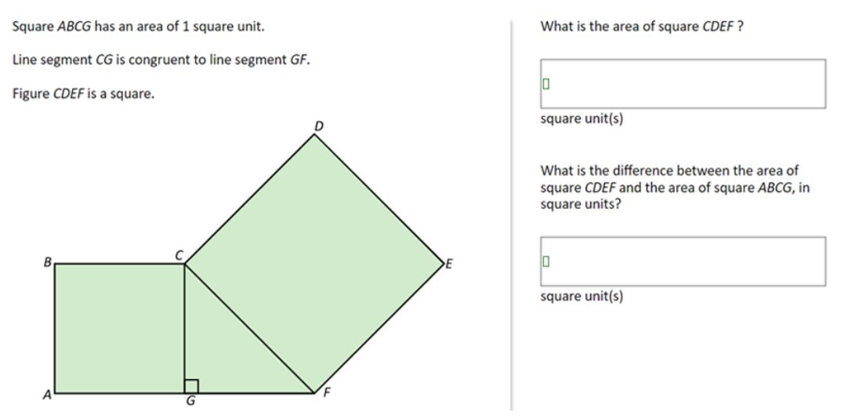 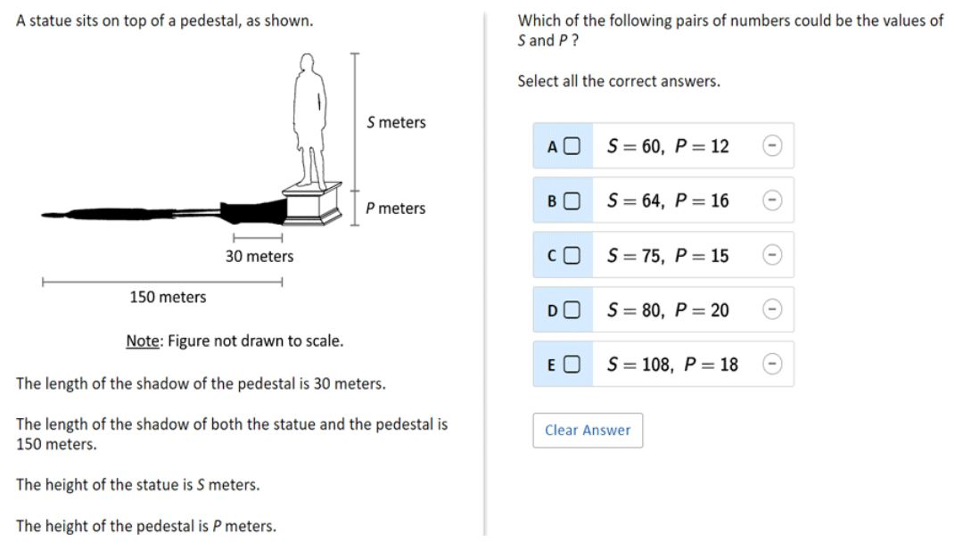 | Sample Correct Response: Correct selections: B. S = 64, P = 16 D. S = 80, P = 20 | Correct: Two correct selections and no incorrect selections Partial: One correct selection and no incorrect selections | No student responses are available for this question. | 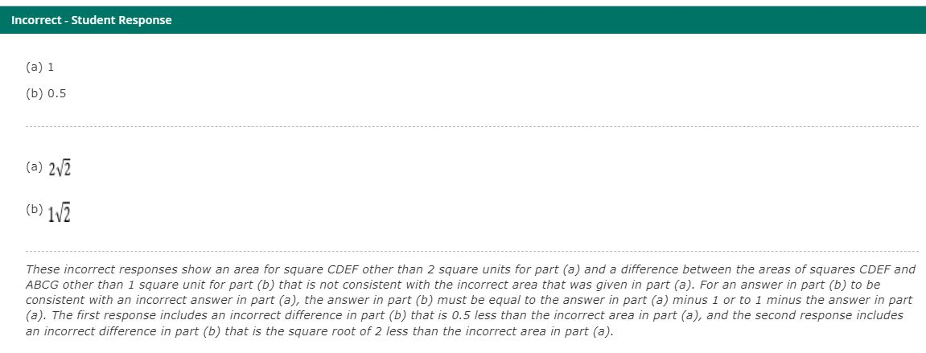 Incorect: Incorrect response | 8 | 2022 | 8M1 | SR (Selected Response) | Hard | Correct: 7% Incorrect: 81% Partial: 12% Omitted: rounds to zero Off task: rounds to zero

Convert from miles to yards | 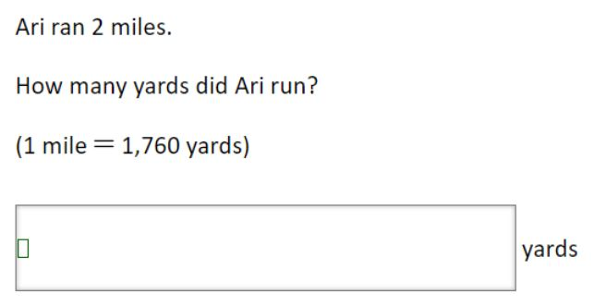 | 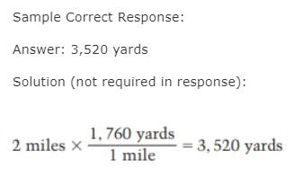 | Correct: Answer of 3,520 Incorrect: Incorrect response | Correct - Student Response 1: 3520 Correct - Student Response 2: 2 miles = 3,520 yards These correct responses each show a correct answer of 3,520. | Incorrect - Student Response 1: 1,760 Incorrect - Student Response 2: 3120 These incorrect responses each show an answer other than 3,520. | 8 | 2022 | 8M1 | SCR (Short Constructed Response) | Easy | Correct: 63% Incorrect: 17% Omitted: rounds to zero Off task: rounds to zero

Compare the angles in a given polygon | 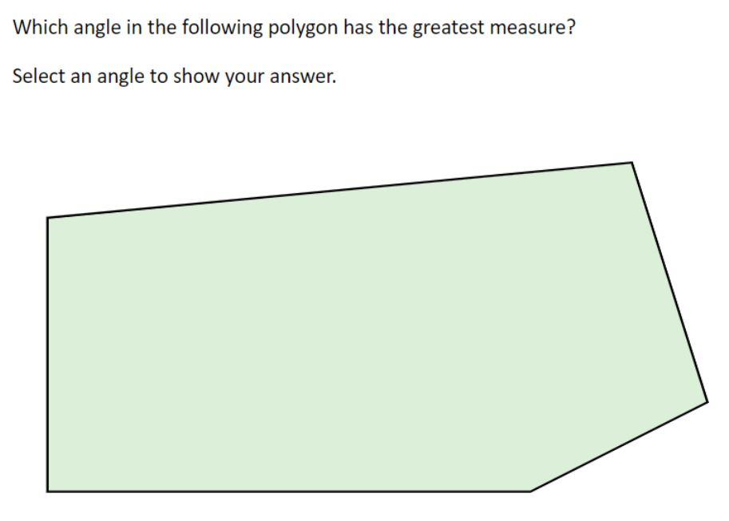 | 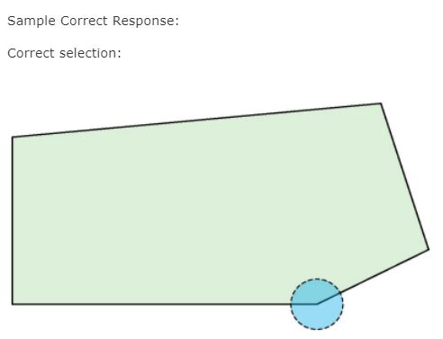 | Correct: Correct selection | No student responses are available for this question. | Incorect: Incorrect response | 8 | 2022 | 8M1 | SR (Selected Response) | Medium | A: 11% B: 13% C: 8% D: 56% (correct) E: 11% Omitted: 2%

